Hour
Table of hour by Member_type
hour | Member_type
 | Credit Card | Membership | Total
Mid | 28 | 20 | 48
1AM | 21 | 13 | 34
2AM | 8 | 2 | 10
3AM | 3 | 0 | 3
4AM | 0 | 128 | 128
5AM | 7 | 14 | 21
6AM | 24 | 265 | 289
7AM | 61 | 677 | 738
8AM | 140 | 1284 | 1424
9AM | 152 | 935 | 1087
10AM | 151 | 277 | 428
11AM | 181 | 192 | 373
Noon | 175 | 257 | 432
1PM | 195 | 230 | 425
2PM | 218 | 220 | 438 | Same data, as a picture
Tysons and Reston Bikeshare Trips by Hour, Members versus Casual (Credit Card) USers
3PM | 195 | 374 | 569
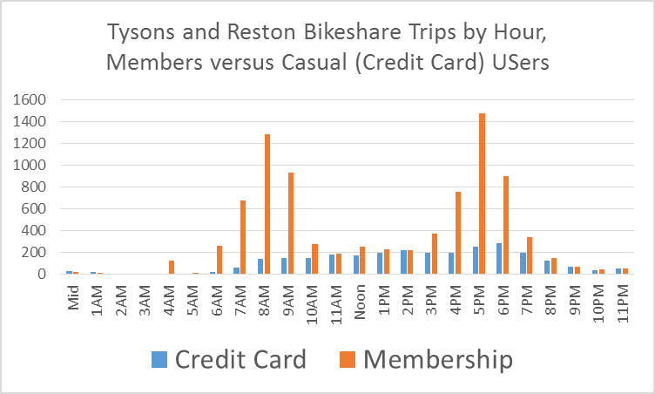
4PM | 195 | 756 | 951
5PM | 252 | 1471 | 1723
6PM | 287 | 898 | 1185
7PM | 201 | 343 | 544
8PM | 130 | 150 | 280
9PM | 73 | 69 | 142
10PM | 42 | 49 | 91
11PM | 51 | 56 | 107
Total | 2911 | 9223 | 12134
 | 0.25 | 0.16 | 0.41
 | 60 | 40
 | 1.03 | 0.22
 | 0.17 | 0.12 | 0.29
 | 60 | 40
 | 0.72 | 0.15
 | 0.07 | 0.02 | 0.08
 | 80 | 20
 | 0.27 | 0.02
 | 0.02 | 0 | 0.02
 | 100 | 0
 | 0.1 | 0
 | 0 | 1.05 | 1.05
 | 0 | 100
 | 0 | 1.39
 | 0.06 | 0.12 | 0.17
 | 33.33 | 66.67
 | 0.24 | 0.15
 | 0.2 | 2.27 | 2.46
 | 8.03 | 91.97
 | 0.82 | 2.98
 | 0.53 | 5.82 | 6.35
 | 8.31 | 91.69
 | 2.2 | 7.65
 | 1.24 | 11.37 | 12.61
 | 9.8 | 90.2
 | 5.15 | 14.96
 | 1.26 | 8.17 | 9.43
 | 13.37 | 86.63
 | 5.26 | 10.74
 | 1.33 | 2.48 | 3.81
 | 34.85 | 65.15
 | 5.53 | 3.26
 | 1.57 | 1.7 | 3.26
 | 47.98 | 52.02
 | 6.53 | 2.23
 | 1.46 | 2.31 | 3.77
 | 38.73 | 61.27
 | 6.08 | 3.04
 | 1.71 | 2.13 | 3.83
 | 44.52 | 55.48
 | 7.11 | 2.8
 | 1.91 | 2.01 | 3.92
 | 48.74 | 51.26
 | 7.97 | 2.65
 | 1.68 | 3.21 | 4.9
 | 34.34 | 65.66
 | 7.01 | 4.23
 | 1.71 | 6.63 | 8.34
 | 20.45 | 79.55
 | 7.11 | 8.73
 | 2.13 | 12.81 | 14.94
 | 14.29 | 85.71
 | 8.9 | 16.85
 | 2.48 | 7.92 | 10.4
 | 23.85 | 76.15
 | 10.34 | 10.42
 | 1.72 | 2.93 | 4.66
 | 36.99 | 63.01
 | 7.18 | 3.86
 | 1.08 | 1.3 | 2.38
 | 45.33 | 54.67
 | 4.5 | 1.71
 | 0.64 | 0.59 | 1.24
 | 52 | 48
 | 2.68 | 0.78
 | 0.36 | 0.43 | 0.79
 | 45.83 | 54.17
 | 1.51 | 0.56
 | 0.42 | 0.46 | 0.88
 | 47.66 | 52.34
 | 1.75 | 0.61
 | 23.99 | 76.01 | 100

Day
Table of day by Member_type
day | Member_type |  |  | Same data as a picture
 | Credit Card | Membership | Total
Tysons and Reston Bikeshare Trips by Day, Members versus Casual (Credit Card) USers
Mon | 341 | 1460 | 1801
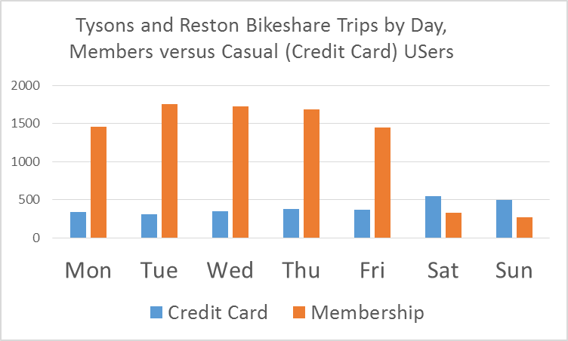
Tue | 311 | 1753 | 2064
Wed | 350 | 1730 | 2080
Thu | 380 | 1688 | 2068
Fri | 371 | 1451 | 1822
Sat | 543 | 331 | 874
Sun | 494 | 267 | 761
Total | 2790 | 8680 | 11470
 | 4.24 | 2.35 | 6.58
 | 64.33 | 35.67
 | 17.66 | 3.09
 | 3.01 | 12.64 | 15.65
 | 19.22 | 80.78
 | 12.54 | 16.63
 | 2.71 | 15.53 | 18.24
 | 14.87 | 85.13
 | 11.3 | 20.43
 | 2.97 | 15.05 | 18.02
 | 16.47 | 83.53
 | 12.37 | 19.8
 | 3.26 | 14.86 | 18.12
 | 18.01 | 81.99
 | 13.6 | 19.55
 | 3.17 | 12.63 | 15.81
 | 20.07 | 79.93
 | 13.23 | 16.62
 | 4.63 | 2.95 | 7.58
 | 61.09 | 38.91
 | 19.31 | 3.88
 | 23.99 | 76.01 | 100

